Residual Value
Residual Value Calculation

Analysis period | 30 years |  | Re: Example of Residual value Calculations
Total Service Life | 60 years |  | Benefit Cost Analysis Guidance for Discretionary Grant Programs
Total cost 7% Discount | $151,214,974.56 |  | U.S. Department of Transportation
Residual value 7% | $8,107,746.13 |  | March 2022 (Revised)
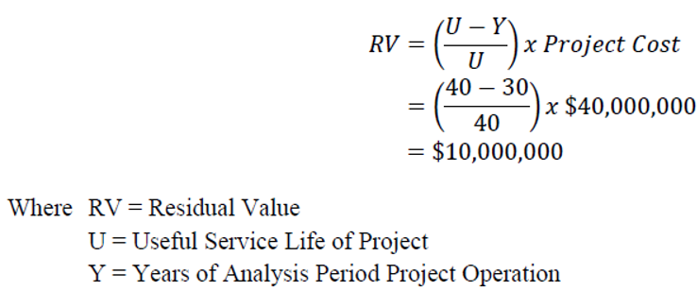
Total cost 3% Discount | $159,596,216.97
Residual value 3% | $30,085,981.34

Data Input:
Residual Value
U | 60
Y | 30
Project cost | $151,214,974.56

 | Undiscounted | 7% Discount | 3% Discount
Residual Value | $75,607,487.28 | $8,107,746.13 | $30,085,981.34

